1. Title Page
[Project Name]

Project Name: INSTACART BASKET ANALYSIS
Date: 10 June 2024
Analyst Name: Madhvi Rathod.

Contents:
Population Flow
Consistency checks
Wrangling steps
Column derivations
Visualizations
Recommendations

2. Population Flow
 |  | Title page

Population flow

Exclusion flag
Condition: max_order < 5
Obervations to be removed:
Final total count of order_products_all: 9918253

Orders_products_combined
Orders_products_merged
Orders_products_all

Total:
Total:
Total:
: 9918253
9927471 | 9918253

1.) The grey boxes in the first row of the population flow represent the original data sets as they were when you downloaded them. In the Total fields you need to add the count of the rows when you imported the data set into Jupyter.
2.) The second row of boxes (coloured) represents the data sets after you manipulated them, e.g., removed missing values and duplicates. In the Total fields you need to add the count of the rows after conducting these operations. This offers a visual oveview of how the data flows throughout the data consistency checks.
3.) The third row, where also the arrows are coloured, represents the merges you performed between the datasets. In the Total fields you need to add the count of the rows in the merged datasets, so that you end up with the final dataset (in the red box). Keep in mind the final dataset should be without exclusions (based on the exclusion flag).

3. Consistency checks
 |  |  |  | Title page
Consistency checks

Dataset | Missing values | Missing values treatment | Duplicates
orders | There are 63100 missing values in 'days_since_last_order' column | Preserved missing values | No Duplicates
products | There are 16 missing values in 'product_name' column | Removed 16 missing values | Removed 5 duplicates
orders_products_prior | None | N/A | No Duplicates

4. Wrangling steps
 |  |  |  | Title page
Wrangling steps

Columns dropped | Columns renamed | Columns' type changed | Comment/Reason
"eval_set" |  |  | Unnecessary to analysis (Ex-4.4)
 | "order_dow"changed to "orders_day_of__week" |  | more comprehensible.
 |  | "order_id" (from int to str) | unnecessary to analysis (Ex-4.4)
 |  | "user_id" (from int to str) | unnecessary to analysis (Ex-4.4)
 | "days_since_prior_order" to "days_since_last_order" |  | more comprehensible.

 | 'First_Name' to 'first_name' |  | consistency
 | ' Surnam' to 'surname' |  | consistency
 | STATE' to 'state' |  | consistency
 | ' fam_status' to marital_status' |  | consistency

first_name |  |  | Dropped due to PII
surname |  |  | Dropped due to PII
Unnamed:0 |  |  | not necessary for analysis.

5. Column derivations
 |  |  |  | Title page

Column derivations and aggregations

In this tab you should add tables below that the frequences of flags/label variables that you producevd after deriving them. NB: don't do this for continuous variables, only for flags.
flag value counts
Price_range_loc:
Mid-range product 6690367
Low_range product 3100143
High-range product 127743
busiest_day
Regularly busy 6867213
Busiest day 1894196
Least busy 1156844
busiest_days
Regularly busy 3960447
Busiest days 3624152
Slowest days 2333654
busiest_period_of_day
Most orders 6466328
Average orders 3063342
Fewest orders 388583
Loyalty_flag
Regular customer 4865587
Loyal customer 3154279
New customer 1898387
Spending_Flag
Low spender 9736335
High spender 181918
Order_frequency
Frequent customer 6582166
Regular customer 2226335
Non frequent customer 1109752
Dataset | New column | Column/s it was derived from | Conditions
Ords_prods_merged.pkl | price_range | prices | If price <=5, then low-range product. If else price > 5 and <=15, then mid- range product. If else price >15, then high-range product.
 | busiest_day | order_day_of_week | If day 0 then busiest day. If day 4 then least busy day. If else, then regularly busy.
 | busiest_days | order_day_of_week | If day 0 or 1 then busiest days. If day 4 or 3 then slowest days. If else, then regularly busy days.
 | busiest_period_of_day | order_hour_of_day | If hour of day < list_quantile[2] then fewest orders. If else hour of day >= list_quantile[2] and <= list_quantile[1] then average orders. If else hour of day >=list_quantile [1] then most orders.
ords_prods_merge_derived.pkl | loyalty flag | max_order | If max_order > 40 then loyal customer. If max order <=40 and >10 then regular customer. If max order <=10 then new customer.
ords_prods_merge_derived.pkl | Spending flag | mean_order | If avg price < 10 then low spender. If avg price >= 10 then high spender.
ords_prods_merge_derived.pkl | order_frequency_flag | median_days_between_orders | If median_days_since_prior_order >20, then non-frequent customer. If median_days_since_ prior_order <=20 and >10, then regular customer. If median_days_since_prior_order <=10 then frequent customer.
oders_products_customer_merge | region | state | non-frequent customer. If median_days_since_
 | activity | max_order | prior_order <=20 and >10, then regular customer.
 | age_group | age | If median_days_since_prior_order <=10 then
 | income_group | income | frequent customer.
 | dependant_group | n_dependant | If number of dependents > 0, then has dependents. If number of dependents = 0 then no dependents.
 | department | department_id | data dictionary from departments_wrangled.
 | baby_status | department | If any order contains items from dept babies then flag 1 anf if else 0
 | alcohol_status | department | If any order contains items from dept alcohol then flag 1 and if else 0
 | pet_status | department | If any order contains items from dept pets then flag 1 and if else 0

6. Visualizations
 |  | Title page

Visualisations

In this tab you should include all the visualtions from Exercises 4.9 and 4.10, alongside the questions from the project brief that they answer. Include any commentary on the relationship between different variables.

The sales team needs to know what the busiest days of the week and hours of the day are(i.e., the days and times with the most orders) to schedule at times when there are fewer orders.


Number of orders by Day of Week

Prices by Hour of the Day

•The busiest days of the week are saturday and Sunday between the hours of 10 am to 4 pm.
•The least busy day is wednesday between the hours of 2 am to 5 am.

They also want to know whether there are particular times of the day when people spend the most money, as this might inform the type of products they advertise at these times

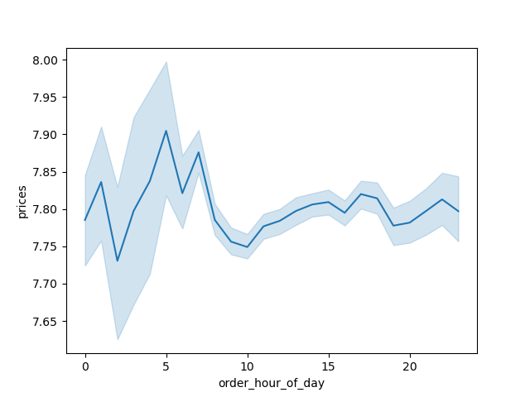
Prices by Order Hour of Day Placed

People spend the most money during the hours of 8 am to 4 pm

Are there certain types of products that are more popular than others? The marketing and sales teams want to know which | Which departments have the highest frequency of product orders

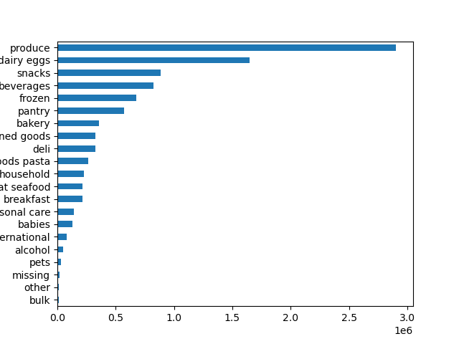
Procucts Department

The top 5 Products:
• Produce
• Dairy eggs
• Snacks
• beverages
• Frozen

What is the distribution among users in regards to their brand loyalty(i.e, how often do they return to Instacart)?


Distribution of orders among customers in term of loyalty
There are more regular customers than loyal customers and least being the new customers.They are in following order:
1. Regular customers.
2. Loyal customers.
3. New customers.

Are there differences in ordering habits based on a customer's loyalty status?

Left - Adult
Middle - senior
Right - Young Adult
Top - Middle income
Middle - High income
Bottom - Low income
Left - High income
Middle - Low income
Right - Middle income

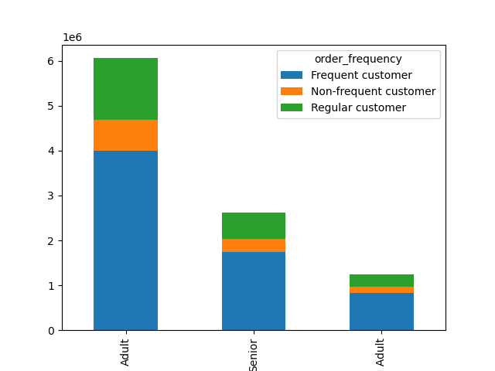
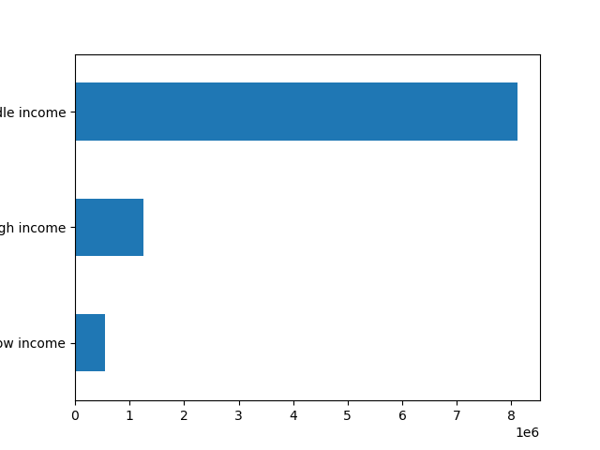
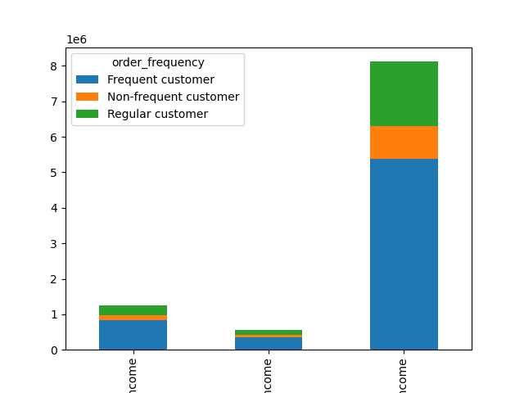

• Most of frequent Instacart customers are Adults.
• The non-frequent customers are Young Adults.
• Most of Instacart frequent customers are people with middle income, followed by high income, and lastly low income.

Are there differences in ordering habits based on a customer's region?

From Left to Right:
• Midwest region
• Northeast region
• South region
• West region
From Left to Right:
• Midwest region
• Northeast region
• South region
• West region
From Left to Right:
• alcohol • babies • bakery • beverage • breakfast • bulk • canned goods
• dairy eggs • deli • dry goods pasta • frozen • household • international • meats sea food • missing • other • pantry • personal care • pets • produce
• snacks

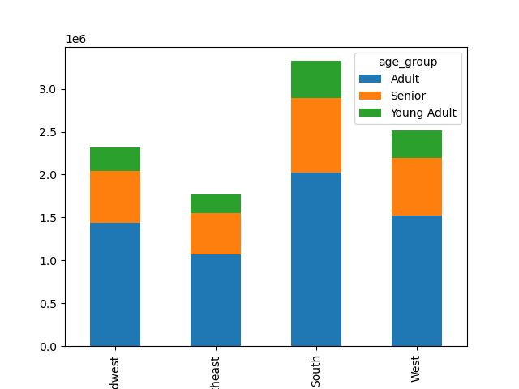
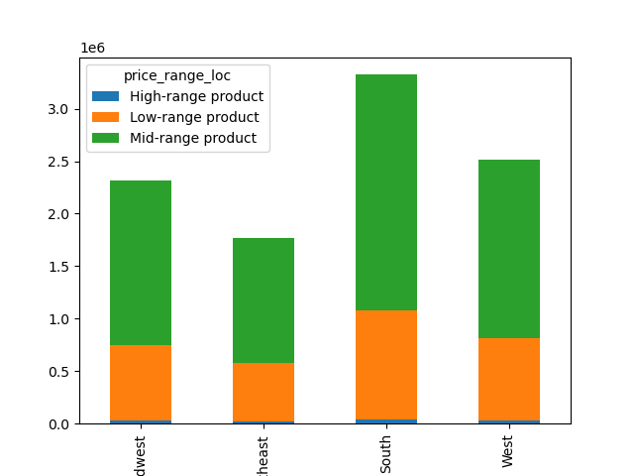
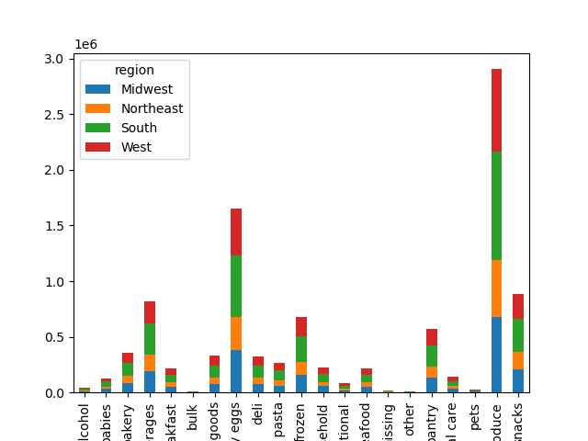

• In every region, Instacart customers are mostly adults.
• The South region has the most customers in all three age groups followed by the west, then the Midwest and lastly the Northeast.
• Majority of the customers buy mid-range products followed by low-range products and purchase high-range products the least in all four regions.
• Produce, dairy eggs, snacks, beverages and frozen are at the top in all four regions.

Is there a connection between age and family status in terms of ordering habits |  |  | ?

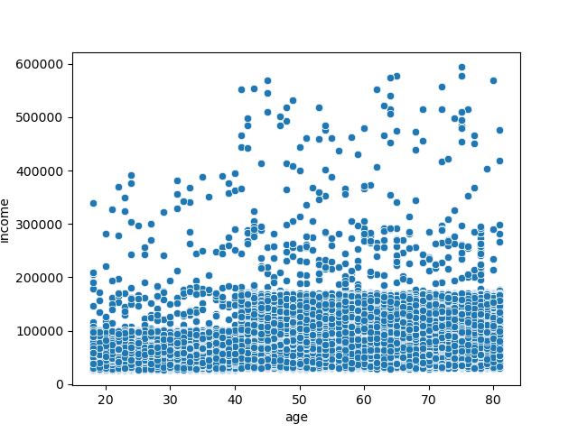

There is a positive relationship between age and income. Each dot represents an individual. As the age increases, there is a wider range of incomes observed. The younger individuals (20-30 Years) mostly have incomes clustered below 200,000 while older individuals(40 Years and above) have incomes spread across a broader range, up to 600,000. But there is no clear upward trend indicating that income increases consistently with age, the scatterplot shows that high-income individuals are more likely to be older. However, there are still many older individuals with lower incomes.

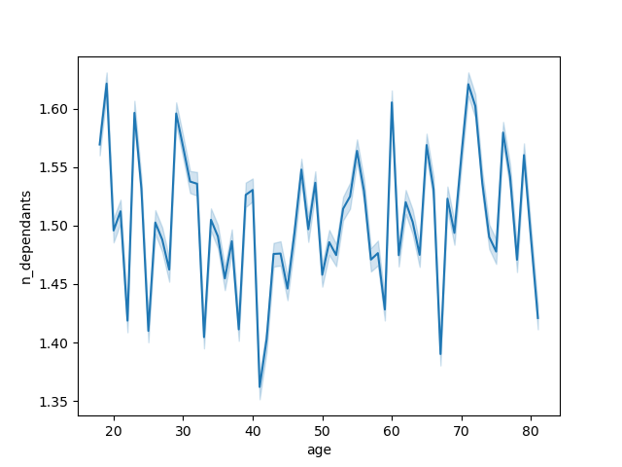

There is no relationship between age and the number of dependents.

other informations regarding Instacart customers.

From Left to Right:
Adult
Senior
Young Adult

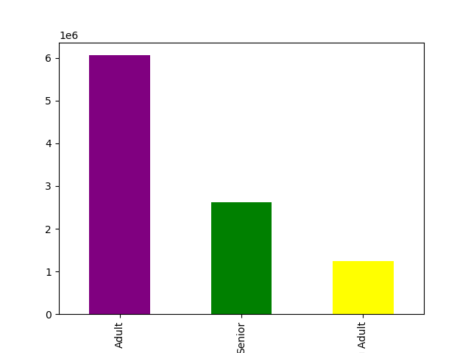

Most of Instacart customers are Adults, followed by seniors, and young adults.

Top - Has Dependants
Bottom - No Dependants

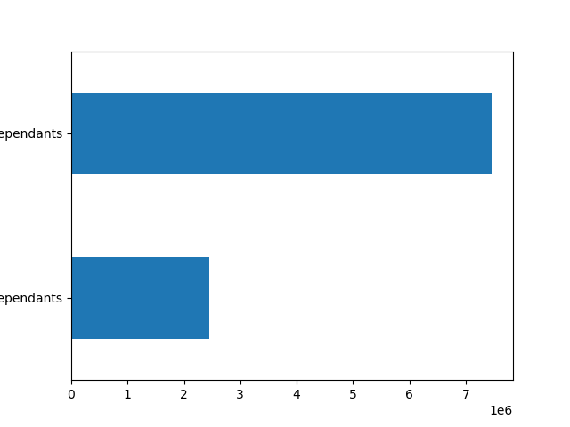

Most of the the Instacart customers have dependants.

From Left to Right:
Widowed
siblings
married
single

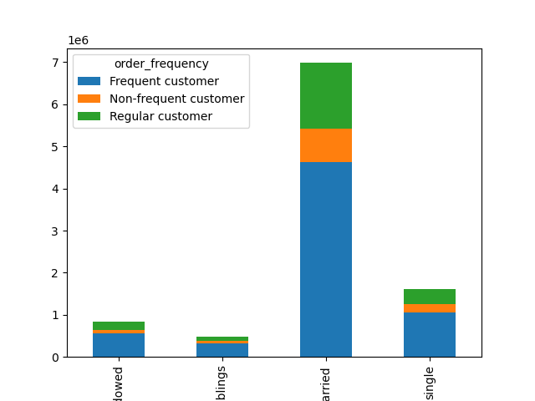

Most of Instacart frequent, non-frequent, and regular customers are married. It is followed by single people, widowed/divorced and lastly people who live with their parents and siblings.

7. Recommendations
 | Title page

Recommendations

In this tab you should include any recommendations you would made to Instcart in terms of their marketing strategy based on the questions posed in the brief. Every key question has been covered in the Tasks of the Exercises - here you need to add an item - a visualisation or table/crosstable that is showing the answer in the data, acompanied by a comment from you. Please, list the questions below and add the answer underneath.

Questions and Answers / Recommendation

Q-1 What days of the week and hours of the day are busiest?
Ans-The busiest days of the week are Saturday and Sunday between the hours of 8 am to 4 pm. The least busy day is Wednesday between the hours of 2 am to 5 am. Therefore, Instacart should schedule ads on Wednesday during the times 6 am to 8 am and 5pm to 10 pm. Scheduling it earlier than 6 am and later than 10 pm will not be beneficial as people may still be sleeping.

Q-2 What times of the day do people spend the most money?
Ans-People spend the most money during the hours of 8am to 4pm. 9 am is when people spend the most money. Therefore, Instacart should utilize those times to advertise specific products.

Q-3 Are there certain types of products that are more popular than others?
Ans-The top 5 products are produce, dairy and eggs, snacks, beverages and frozen food. Therefore, Instacart should provide special offers on those categories to keep drawing customers' attention and activity.

Q-3 What is the distribution among users in regards to their brand loyalty?
Ans- There are more regular customers than loyal customers. Therefore, Instacart should offer incentives to reward its regular customers and incentize non regular customers (loyal and new) to become regular customers.

Q-4 Are there differences in ordering habits based on a customer's loyalty status?
Ans- Customers who are adults with middle income are the most frequent customers of Instacart. Young adults are the least frequenct customers. Therefore, Instacart should focus on advertising mid-range products to adult and senior customers.

Q-5 Are there differences in ordering habits based on a customer's region?
Ans- In every region, Instacart customers are mostly adults. Also, the South has the most customers in all three age groups followed by the West, then the Midwest and lastly the Northeast. The majority of the customers buy mid-range products followed by low-range products and purchase high-range products the least in all four regions. Instacart should focus on advertising to the South; however, Instacart should focus more on customers in the West and the Midwest as those regions are not too far from the ordering habits of the customers in the South.

Q-6 Is there a connection between age and family status in terms of ordering habits?
Ans- There is not a specific connection between age and family status in terms of ordering habits. Most of Instacart frequent, non-frequent, and regular customers are married. It is followed by single people, divorced/widowed people and lastly people who live with their parents and siblings. However, there is a positive correlation between age and income. As the older you become, the more income you'll earn. The scatterplot shows the relationship between between age and spending power (income) of instacart customers. Based on the scatterplot, there is a large concetration of customers across all ages that earns up to 200,000 (USD) and customers who are 40 years and older are earning up to 600,000 (USD). So, customers who are 40 years and older might spend more because of their higher income. There is no correlation betweem age and the number of dependents. Seniors are the next group of frequent customers. Therefore, Instacart should offer Senior citizens special promotions in order to increase the ordering habits of Senior citizens. Also, offering special prices on bundles of products that young adults are interested in will increase young adults' activities as well.

